Cover
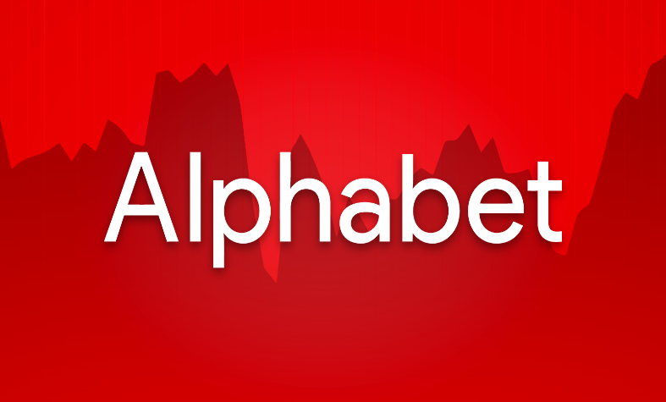


Company Overview:
Company Name: Alphabet Inc.
Ticker: GOOG
Exchange: NASDAQ
Founders: Larry Page and Sergy Brin
Ceo: Sundar Pichai
Sector: Communiucation Services
Business Segment: Google Services, Google Cloud, Others (inc. Waymo, Other Bets, etc.)
Valuation Summary:
DCF Implied Share Price: $214.95
Current Market Price (CMP): $212.91
Upside / Downside (%): 0.96%
Recommendation: Buy/Hold (for long-term investors) and Sell (for short-term investors).
Financial Highlights:
Revenue (2024A): $350,018
EBIT (2024A): $112,390
UFCF (2024A): $72,764
Revenue (2025E): $394,236
EBIT (2025E): $130,442
UFCF (2025E): $82,690
Key Assumtions:
Revenue Growth CAGR: 12.09% (2025E - 2029E)
Terminal Growth Rtae: 2.5%
WACC: 8.46%
Forecast Horizon: (2025E - 2029E)
Analyst Name: Siddhant Bhardwaj
Date of Valuation: 08/30/2025
Data Source: 10-K, 10-Q, Tikr.com, Macrotrends, etc.

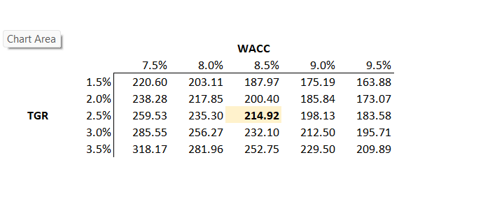
Implied Share Price Sensitivity Table

Summary
 |  |  |  |  |  |  |  |  |  |  | Active case : Base
 | Summary of DCF Model on Alphabet (GOOG)

 | Ticker | GOOG |  | Implied Share Price |  |  | $214.95 |  | Low-end | $168.75 |  | Revenue (1), EBIT (1), WACC (1), TGR(1) |  |  |  | 1 | Conservative
 | Date | 2025-08-30 |  | Current Price |  |  | 212.91 |  | High-end | $276.47 |  | Revenue (3), EBIT(3), WACC(3), TGR(3) |  |  |  | 2 | Base
 | Year end | 2025-12-31 |  | Implied Upside/Downside |  |  | 1.0% |  |  |  |  |  |  |  |  | 3 | Optimistic

X | Income Statement ($ MM) |  | 2015A | 2016A | 2017A | 2018A | 2019A | 2020A | 2021A | 2022A | 2023A | 2024A | 2025E | 2026E | 2027E | 2028E | 2029E
 | Revenue |  | 74,989 | 90,272 | 110,855 | 136,819 | 161,857 | 182,527 | 257,637 | 282,836 | 307,394 | 350,018 | 394,236 | 439,217 | 494,718 | 555,204 | 622,333
 | growth% |  | -- | 20% | 23% | 23% | 18% | 13% | 41% | 10% | 9% | 14% | 13% | 11% | 13% | 12% | 12% | 12.09%

 | EBIT |  | 19,360 | 23,716 | 26,178 | 27,524 | 34,231 | 41,224 | 78,714 | 74,842 | 84,293 | 112,390 | 130,442 | 147,085 | 162,738 | 184,088 | 206,490
 | % of Sale |  | 26% | 26% | 24% | 20% | 21% | 23% | 31% | 26% | 27% | 32% | 33% | 33% | 33% | 33% | 33%

 | Taxes |  | 3,303 | 4,672 | 14,531 | 4,177 | 5,282 | 7,813 | 14,701 | 11,356 | 11,922 | 19,697 | 22,566 | 23,361 | 26,918 | 30,512 | 33,725
 | Tax rate |  | 17% | 19% | 53% | 12% | 13% | 16% | 16% | 16% | 14% | 16% | 17% | 16% | 17% | 17% | 16%

Revenue and Growth%
EBIT and % of Sale
 | EBIT | % of Sale
2015A | 19,360 | 26%
2016A | 23,716 | 26%
2017A | 26,178 | 24%
2018A | 27,524 | 20%
2019A | 34,231 | 21%
2020A | 41,224 | 23%
2021A | 78,714 | 31%
2022A | 74,842 | 26%
2023A | 84,293 | 27%
2024A | 112,390 | 32%
2025E | 130,442 | 33%
2026E | 147,085 | 33%
2027E | 162,738 | 33%
2028E | 184,088 | 33%
2029E | 206,490 | 33%

 | Active case : Base
X | Other Important Metrics (MM $)
 | Terminal value |  | 3,004,590
 | Present value of Terminal value |  | 2,201,186
 | Enterpeise value |  | 2,672,510
 | Equity value |  | 2,669,939
 | Implied Share price |  | 214.95

X | Trading Multiples | 2025 | 2026
 | P/E | 22.1x | 21.0x
 | EV/Revenue | 6.5x | 5.9x
 | EV/EBITDA | 14.6x | 12.9x

X | Base Case Financials (MM $) |  | 2020A | 2021A | 2022A | 2023A | 2024A | 2025E | 2026E | 2027E | 2028E | 2029E
 | Revenue |  | 182,527 | 257,637 | 282,836 | 307,394 | 350,018 | 394,236 | 439,217 | 494,718 | 555,204 | 622,333
 | EBITDA |  | 54,903 | 88,987 | 88,317 | 96,239 | 129,497 | 172,682 | 195,966 | 170,001 | 186,860 | 210,802
FCF Growth (%) & EBITDA Growth (%)
 | EBIT |  | 41,224 | 78,714 | 74,842 | 84,293 | 112,390 | 130,442 | 147,085 | 162,738 | 184,088 | 206,490
 | FCF |  | 23,000 | 51,169 | 47,711 | 55,911 | 63,875 | 82,690 | 102,998 | 120,734 | 145,916 | 174,569
 | FCF/Shares ($) |  | 1.57 | 3.54 | 3.40 | 4.11 | 4.80 | 6.06 | 7.54 | 8.84 | 10.69 | 12.79

 | Revenue Growth % |  | 13% | 41% | 10% | 9% | 14% | 13% | 11% | 13% | 12% | 12%
 | EBITDA Growth % |  | -- | 62% | (1%) | 9% | 35% | 33% | 13% | (13%) | 10% | 13%
 | EBIT Growth % |  | 23% | 91% | (5%) | 13% | 33% | 16% | 13% | 11% | 13% | 12%
 | FCF Growth % |  | -- | 122% | (7%) | 17% | 14% | 29% | 25% | 17% | 21% | 20%

 | EBITDA Margin % |  | 30% | 35% | 31% | 31% | 36% | 33% | 34% | 34% | 34% | 34%
 | CapEx/Sales % |  | (12%) | (10%) | (11%) | (10%) | (15%) | (12%) | (12%) | (11%) | (10%) | (10%)

